PRE-SUBMITTAL Dashboard
PRE-SUBMITTAL DASHBOARD
If the Proposed Heating Load is equal to or less than the Low Load Target AND the Proposed design is all electric, then you are done! If not, then complete the Development Review section.

For labs and healthcare only:
If the Proposed Heating Load is equal to or less than the Low Load Target AND the Proposed Electric Heat Pump Heating Capacity is equal to or greater than the 35°F Ambient Suggested Minimum Heat Pump Heating Capacity, then you are done! If not, then complete the Development Review section.

HEATING SYSTEM PROPOSED TO USE FOSSIL FUELS | LOAD EVALUATION |  |  | ASHRAE 90.1-2013
DHW SYSTEM PROPOSED TO USE FOSSIL FUELS |  | Low Load | Proposed
 | Window-to-Wall Ratio (%) | #DIV/0! | #DIV/0! | 0%
Heating System Load (Btu/h·GSF)
 | Window Conduction | Wall Conduction | Roof Conduction | Infiltration | Ventilation | Oversize
Low Load | 0.0 | 0.0 | 0.0 | 0.0 | 0.0 | 0.0
Proposed | 0.0 | 0.0 | 0.0 | 0.0 | 0.0 | 0.0
ASHRAE 90.1-2013 | 0.0 | 0.0 | 0.0 | 0.0 | 0.0 | 0.0
 | Window Assembly U-Value (Btu/h·F·sf) | 0.26 | 0.00 | 0.38
 | Opaque Wall U-Value (Btu/h·F·sf) | 0.06 | 0.00 | 0.06
 | Infiltration (cfm/sf at 75pa) | 0.10 | 0.00 | 0.25
 | Roof Assembly R-Value (Btu/h·F·sf) | 0.03 | 0.00 | 0.03
 | Ventilation Sensible Recovery (%) | #DIV/0! | #DIV/0! | #DIV/0!
 | Building Heating Load (Btu/h·GSF) | #DIV/0! | #DIV/0! | #DIV/0!
 | Primary System Oversize (%) | #NUM! | #NUM! | #NUM!

 | HEATING CAPACITY TO BE ELECTRIFIED |  |  | ASHRAE 90.1-2013
 |  | Low Load | Proposed
 | Heating Load (Btu/h-GSF) to be Electrified | #DIV/0! | #DIV/0! | #DIV/0!
 |  |  | #DIV/0!

 | LABS AND HEALTHCARE ONLY | Suggested Minimum (35°F Ambient)* | Proposed
 | Electric Heat Pump Heating Capacity (Btu/h·GSF) | #NUM! | #DIV/0!
 | Electric Heat Pump Heating Capacity (MBH) | #NUM! | 0 | #NUM!
 | Electric Heat Pump % of Total Proposed Heating Load | #NUM! | #NUM!
 | Overall Pass/Fail for Labs and Healthcare (must pass both criteria) |  |  | #DIV/0!

 | *The City of Somerville understands that it may not be practical to electrify 100% of the heating plant for high-ventilation facilities such as life sciences or healthcare buildings. Efficient systems and electrifying a portion of the heating plant equivalent to the load at 35°F will reduce fossil fuel consumption by upwards of 90%. The addition of heat pumps to satisfy this load will largely decarbonize high-ventilation load facilities in operation while allowing for combustion-based fuel sources to address peak heating conditions.

DEVELOPMENT REVIEW INFO
 | DEVELOPMENT REVIEW INFO
 | New buildings and extensive renovations should ideally be designed to achieve operational
 | carbon neutrality and to minimize embodied carbon in construction materials.
 | This calculator provides an easy way to assess the operational emissions of your proposed design.

 | Instructions:
1 | Fill in the blue cells with the required information: |  |  |  | All user inputs in blue are required.
2 | Review the Development Review Dashboard tab.
3 | Compare the Proposed design to that of the MA Code Minimum design, and the 'Low Load' design.
4 | Consider strategies to cost-effectively reduce the loads of the Proposed design to bring it closer in line to the Low Load building.

 | Energy Use Inputs | Site Annual Energy Consumption (MMBtu/yr) |  |  | Energy Use Intensity (kBtu/sf/yr)
 | End Use Breakdown | Zero Carbon | Proposed | ASHRAE 90.1-2013 | Low Load | Proposed | ASHRAE 90.1-2013 | Fuel Type (drop-down menu) | Instructions | User Comments | Somerville Comments
 | Lighting | not required |  |  | not required | #DIV/0! | #DIV/0! | Electric
 | Plug Loads |  |  |  |  | #DIV/0! | #DIV/0! | Electric
 | Fans |  |  |  |  | #DIV/0! | #DIV/0! | Electric
 | Pumps |  |  |  |  | #DIV/0! | #DIV/0! | Electric
 | Cooling |  |  |  |  | #DIV/0! | #DIV/0! | Electric
 | Heating - Non-Electric 1 |  |  |  |  | #DIV/0! | #DIV/0! | Gas
 | Heating - Non-Electric 2 |  |  |  |  | #DIV/0! | #DIV/0! | Gas
 | Heating - Electric |  |  |  |  |  |  | Electric
 | DHW - Non-Electric 1 |  |  |  |  | #DIV/0! | #DIV/0! | Gas
 | DHW - Non-Electric 2 |  |  |  |  | #DIV/0! | #DIV/0! | Gas
 | DHW - Electric |  |  |  |  | #DIV/0! | #DIV/0! | Electric
 | Process 1 |  |  |  |  | #DIV/0! | #DIV/0! | Electric | Process loads may include: pool heating, sterilization, humidification, etc.
 | Process 2 |  |  |  |  | #DIV/0! | #DIV/0! | Electric
 | Process 3 |  |  |  |  | #DIV/0! | #DIV/0!
 | Process 4 |  |  |  |  | #DIV/0! | #DIV/0!
 | On-site Renewables (negative) |  |  |  |  | #DIV/0!
 | Off-Site Renewables (negative) |  |  |  |  | #DIV/0! |  | Renewable Electric Credit | Off-Site Renewable energy is limited to MA Class I RECs and minimum 15-year power purchase agreements for new renewable energy systems (installed within last 3 years) from grid regions with emissions factors at least as high as ISO-NE.
 | TOTAL without Renewable Energy |  | - | - |  | #DIV/0! | #DIV/0!
 | TOTAL with Renewable Energy |  | - | - |  | #DIV/0! | #DIV/0!
 |  |  | (if cogen is part of the proposed design, charge fuel consumption to Heating and credit electricity generation proportionally to all electric end uses)

 | Emissions Outputs | Energy Consumption by Fuel (MMBtu/yr) |  |  | Current Carbon Emissions (metric tons CO2e/yr) |  |  | 2035 Carbon Emissions (metric tons CO2e/yr)
 | Fuel Type | Low Load | Proposed | ASHRAE 90.1-2013 | Zero Carbon | Proposed | ASHRAE 90.1-2013 | Zero Carbon | Proposed | ASHRAE 90.1-2013
 | Renewable Electric Credit | not required | - | - | not required | - | - | not required
 | Electric |  | - | - |  | - | - |  | - | -
 | Gas |  | - | - |  | - | - |  | - | -
 | Oil |  | - | - |  | - | -
 | Propane |  | - | - |  | - | -
 | Other District Heating |  | - | - |  | - | -
 | District Cooling |  | - | - |  | - | -
 | Other Fuel 1 |  | - | - |  | - | -
 | Other Fuel 2 |  | - | - |  | - | -
 | TOTAL without Renewable Energy | - | - | - | 0 | - | - | 0 | - | -
 | TOTAL with Renewable Energy | - | - | - | 0 | - | - | 0 | - | -
Fuel Usage Comparison
 | Electric | Gas
Proposed | - | -
ASHRAE 90.1-2013 | - | -
 | Energy Use Intensity (kBtu/sf/yr) |  | #DIV/0! | #DIV/0!

 |  |  | Emissions Intensity Outputs |  | Carbon Emissions Intensity (lbCO2e/yr·sf)
 |  |  |  |  | Low Load | Proposed | ASHRAE 90.1-2013
 |  |  | TOTAL Without Renewable Energy |  | not required | #DIV/0! | #DIV/0!
 |  |  | Renewable Energy Credit |  |  | #DIV/0! | #DIV/0!
 |  |  | TOTAL with Renewable Energy |  | - | #DIV/0! | #DIV/0!

 | Carbon Emissions Factors for City of Somerville
 | Fuel Type | lbCO2e/MMBtu | Value is based on:
 | Renewable Electric Credit | 145
 | Electric | 145 | Portfolio Manager Region Emissions Inensity. Note: this value will not match MEPA/DOER submissions, but it is used for LEED points.
 | Electric 2035 | 115
 | Gas | 117 | US EIA value
 | Oil | 161 | US EIA value
 | Propane | 139 | US EIA value
 | Other District Heating |  | User to calculate and input custom value.
 | District Cooling |  | User to calculate and input custom value, based on the specific district chilled water system.
 | Other Fuel 1 |  | User to calculate and input value for Other fuel type.
 | Other Fuel 2 |  | User to calculate and input value for Other fuel type.
 |  |  | User to input description of Other Fuel type.

 | Footnotes:
 | 1. Based on the latest ISO-NE Emissions Report. Should be updated as more recent ISO-NE Emissions Reports are available.

 | Graphic
 |  | ASHRAE 90.1-2013 EUI | As-Designed EUI
 | Lighting | #DIV/0! | #DIV/0!
 | Plug Loads | #DIV/0! | #DIV/0!
 | Fans | #DIV/0! | #DIV/0!
 | Pumps | #DIV/0! | #DIV/0!
 | Cooling | #DIV/0! | #DIV/0!
 | Heating - Non-Electric 1 | #DIV/0! | #DIV/0!
 | Heating - Electric
 | DWH | #DIV/0! | #DIV/0!
 | Process 1 | #DIV/0! | #DIV/0!
 | On-site Renewables (negative) | - | #DIV/0!
 | Off-Site Renewables (negative) | - | #DIV/0!
 | TOTAL without Renewable Energy | #DIV/0! | #DIV/0!
 | TOTAL with Renewable Energy | #DIV/0! | #DIV/0!

DEVELOPMENT REVIEW Dashboard
DEVELOPMENT REVIEW DASHBOARD
 | Proposed | ASHRAE 2013 | % Savings |  |  | LEED EAc1 Optimize Energy Performance Point Calculator**
Current Carbon Emissions Intensity (lbCO2e/yr-sf) | #DIV/0! | #DIV/0! | #DIV/0!
Site Energy Use (kBtu/sf/yr) | #DIV/0! | #DIV/0! | #DIV/0! |  | Please Select Rating system | LEED NC CS
Source Energy Use (kBtu/sf/yr) | #DIV/0! | #DIV/0! | #DIV/0! |  | Please Select Building Type | 900%
Annual Carbon Offsets to achieve ZNC (metric tons CO2e/yr) | 0 | 0 |  |  | Points earned | #DIV/0! | Min 10 pts***
2035 Carbon Emissions Intensity (lbCO2e/yr-sf)* | 0 | 0 | #DIV/0!

2035 Carbon Emissions
 | Electric | Gas | Oil | Propane | Other District Heating | District Cooling | Other Fuel 1 | Other Fuel 2
Zero Carbon
Proposed | - | - | - | - | - | - | - | -
ASHRAE 90.1-2013 | - | - | - | - | - | - | - | -
Site Energy Use Intensity
 | On-site Renewables (negative) | Off-Site Renewables (negative) | Lighting | Plug Loads | Fans | Pumps | Cooling | Heating - Non-Electric 1 | Heating - Non-Electric 2 | Heating - Electric | DHW - Non-Electric 1 | DHW - Non-Electric 2
Proposed | - | - | - | - | - | - | - | - | - | - | - | -
ASHRAE 90.1-2013 |  |  | - | - | - | - | - | - | - | - | - | -

Breakdown of Savings By Site EUI (kBtu/sf/yr)
 | ASHRAE 90.1-2013 EUI | As-Designed EUI
Lighting | - | -
Plug Loads | - | -
Fans | - | -
Pumps | - | -
Cooling | - | -
Heating - Non-Electric 1 | - | -
Heating - Electric | - | -
DWH | - | -
Process 1 | - | -
 |  |  |  | * A 40% savings CO2e emissions target (using 2035 emissions factors) has been established based on the findings of Built Environment Plus' "Massachusetts is Ready for Net Zero 2021 Report." The report surveyed over 7 Million GSF of Net-Zero buildings spanning a range of building types including K-12, Higher Education, Healthcare, Laboratory, Office, and Multifamily buildings in Massachusetts. The report findings indicate that a 40% savings in CO2e emissions, based on 2035 ISO-NE emissions rates, is a readily acheivable benchmark for high-performance buildings within the Greater Boston Area. The target represents the building-level operational carbon emissions reductions expected by the City of Somerville prior to the purchase of onsite or offsite renewable energy, or carbon offsets. **The City of Somerville requires projects to use the Alterntative Energy Performance Metric Pilot Credit EApc95 (https://www.usgbc.org/credits/eapc95v4). This compliance path allows projects to document performance improvements using Option 1 Whole Building Simulation and leverage an average of source energy and carbon emissions as an indicator of performance. The City prefers this compliance path as the considerations for CO2e emissions aligns with the City's Net Zero Performance goals. *** An EAc1 earning of at least 10 points is best poised to align with the City's CO2e and energy performance goas.

Domestic How Water by Fuel Type
 | PERCENT DHW - Gas | PERCENT DHW - Electric
Proposed | 0% | 0%
Fuel Usage Comparison
 | Electric | Gas
Proposed | - | -
ASHRAE 90.1-2013 | - | -

Load Calculations - LOCKED
Heating System Capacity (Btu/h·GSF)

 | LOAD CALCULATIONS
 | This tab automatically creates the 'ZNC' and 'MA Code' options.
 | It then calculates the heating load associated with each option.
 | It also calculates the ventilation cooling load credit for the ZNC option.

 | Instructions:
1 | This tab must remain locked for submission to the City of Somerville

 | Heating Load Outputs (Btu/h·GSF) | Low Load | Proposed | ASHRAE 90.1-2013
 | Window Conduction | #DIV/0! | #DIV/0! | #DIV/0!
 | Wall Conduction | #DIV/0! | #DIV/0! | #DIV/0!
 | Roof Conduction | #DIV/0! | #DIV/0! | #DIV/0!
 | Infiltration | #NUM! | #NUM! | #NUM!
 | Ventilation | #DIV/0! | #DIV/0! | #DIV/0!
 | Oversize | #NUM! | #NUM! | #NUM!
 | Total Space Heating System Load | #NUM! | #NUM! | #NUM!
 | TOTAL Conduction | #DIV/0! | #DIV/0! | #DIV/0!
 | TOTAL Envelope | #NUM! | #NUM! | #NUM!
 | NON-Space-Heating Plant Load | #DIV/0! | #DIV/0! | #DIV/0!

 | Summary of Automatic Changes to Proposed Design | Low Load | Proposed | ASHRAE 90.1-2013
 | Total Building - Window to Wall Ratio | #DIV/0! | #DIV/0! | 0%
 | Window Average Assembly U-value (Btu/h·∆T·sf) | 0.26 | 0.00 | 0.38
 | Wall Average Assembly U-value (Btu/h·∆T·sf) | 0.064 | 0.000 | 0.064
 | Roof Average Assembly U-value (Btu/h·∆T·sf) | 0.032 | 0.000 | 0.032
 | Infiltration - Maximum at Blower Door Test (cfm/sf at 75pa) | 0.10 | 0.00 | 0.25
 | Proposed Outdoor Airflow Rate (CFM) | - | - | -
 | Ventilation Heating Sensible Recovery Efficiency | 80% | 0% | 50%
 | Class 3 and 4 Exhaust Sensible Recovery Efficiency | 55% | 0% | 0%
 | Electric Heating System Capacity (Btu/h·gsf) | 0.0 | #DIV/0! | 0.0
 | Oversize Factor: Heating System Capacity / Heating Load (%) | 125% | #NUM! | 125%

 | General Information | Low Load | Proposed | ASHRAE 90.1-2013
 | Number of Stories Above Grade | 0 | 0 | 0
 | Total Building Gross Floor Area | - | - | -
 | Total Building Net Occupiable Floor Area | - | - | -
 | Daylight Area (per IECC 2018) | - | - | -
 | Total Building Vertical Façade Area | - | - | -
 | Roof Area | - | - | -

 | Primary Building Type | Low Load | Proposed | ASHRAE 90.1-2013
 | Primary Building Type | 0 | 0 | 0
 | Gross Square Feet | - | - | -
 | Vertical Façade Area | - | - | -
 | Window Area | n/a | - | n/a

 | Secondary Building Type | Low Load | Proposed | ASHRAE 90.1-2013
 | Secondary Building Type | - | - | -
 | Gross Square Feet | - | - | -
 | Vertical Façade Area | - | - | -
 | Window Area | n/a | - | n/a

 | Tertiary Building Type | Low Load | Proposed | ASHRAE 90.1-2013
 | Tertiary Building Type | - | - | -
 | Gross Square Feet | - | - | -
 | Vertical Façade Area | - | - | -
 | Window Area | n/a | - | n/a

 | Daylight Area | Low Load | Proposed | ASHRAE 90.1-2013
 | % Daylight Area | 0% | 0% | 0%
 | Daylight Area >25%? (or >50% if building is <3 stories above grade) | No | No | No

 | Envelope | Low Load | Proposed | ASHRAE 90.1-2013
 | Total Vertical Façade Area | - | - | -
 | Primary Building - Window to Wall Ratio | 0% | 0% | n/a
 | Secondary Building - Window to Wall Ratio | 0% | 0% | n/a
 | Tertiary Building - Window to Wall Ratio | 0% | 0% | n/a
 | Total Building - Window to Wall Ratio | #DIV/0! | #DIV/0! | 0%
 | Total Window Area | - | - | -
 | Window Average Assembly U-value (Btu/h·∆T·sf) | 0.26 | 0.00 | 0.38
 | Wall Area (SF) | - | - | -
 | Wall Average Assembly U-value (Btu/h·∆T·sf) | 0.064 | 0.000 | 0.064
 | Roof Area (SF) | - | - | - | Infiltration
 | Roof Average Assembly U-value (Btu/h·∆T·sf) | 0.032 | 0 | 0.032 | P stack average on building | 0 | Pa
 | Infiltration - Maximum at Blower Door Test (cfm/sf at 75pa) | 0.1 | 0 | 0.25 | P stack | 0 | Pa
 | Infiltration - Maximum at Blower Door Test (cfm at 75pa) | - | - | - | P wind | 2.2336001372 | Pa
 | Infiltration - Design (cfm) | #NUM! | #NUM! | #NUM! | P mech | -5 | Pa
 | Average UxA Value2 | #DIV/0! | #DIV/0! | #DIV/0! | Reference Wind Speed | 4.47 | m/s
 |  |  |  |  | γ | 0.65
 | Ventilation | Low Load | Proposed | ASHRAE 90.1-2013 | Outdoor temperature | -17.7 | °C
 | Minimum Outdoor Airflow Rate (CFM) | - | - | - | Outdoor air density | 1.3826439483 | kg/m3
 | Minimum Outdoor Airflow Rate (CFM/Net SF) | #DIV/0! | #DIV/0! | #DIV/0! | Indoor temperature | 20 | °C
 | Proposed Outdoor Airflow Rate (CFM) | - | - | - | Indoor air density | 1.2047406143 | kg/m3
 | Proposed Outdoor Airflow Rate (CFM/Net SF) | n/a | #DIV/0! | n/a | g | 9.81
 | Exhaust/Relief Air (not including Class 3 and 4 and Exempt Exhaust) | - | - | - | Building height | 0 | ft
 | Ventilation Heating Sensible Recovery Efficiency | 80% | 0% | 50%
 | Class 3 and 4 Exhaust (CFM) | - | - | -
 | Class 3 and 4 Exhaust Sensible Recovery Efficiency | 55% | 0% | 0%
 | Exempt Exhaust (CFM) | - | - | -
 | Exempt Exhaust Heat Recovery Efficiency | 0% | 0% | 0%
 | Average Exhaust Heat Recovery Efficiency | #DIV/0! | #DIV/0! | #DIV/0!

 | Heating Load | Low Load | Proposed | ASHRAE 90.1-2013
 | Delta-T (°F Outdoor - °F Indoor) | 70 | 70 | 70
 | Window Conduction Heating Load (MBH) | - | - | -
 | Wall Conduction Heating Load (MBH) | - | - | -
 | Roof Conduction Heating Load (MBH) | - | - | -
 | Envelope Infiltration Heating Load (MBH) | #NUM! | #NUM! | #NUM!
 | Ventilation Heating Load (MBH) | #DIV/0! | #DIV/0! | #DIV/0!
 | Safety Factor (MBH) | #NUM! | #NUM! | #NUM!
 | TOTAL Space Heating System Load (MBH) | #NUM! | #NUM! | #NUM!
 | Total Envelope Conduction Heating Load (MBH) | - | - | -
 | Maximum Electric Heating System Capacity (Btu/h·gsf) | n/a | n/a | n/a
 | Electric Heating System Capacity (Btu/h·gsf) | - | #DIV/0! | -
 | Electric Heating System Capacity (MBH) | - | - | n/a
 | Other Heating System Capacity (MBH) | #NUM! | - | #NUM!
 | TOTAL Heating System Capacity (MBH) | n/a | - | n/a
 | Oversize Factor: Heating System Capacity / Heating Load (%) | 125% | #NUM! | 125%
 | NON-Space-Heating Plant Capacity (MBH) | - | - | -

 | Ventilation Cooling Load | Low Load | Proposed | ASHRAE 90.1-2013
 | Outdoor Air - Temperature (°F) | 91 | 91 | 91
 | Outdoor Air - Wet Bulb (°F) | 73 | 73 | 73
 | Outdoor Air - Enthalpy (Btu/lb) | 36.48 | 36.48 | 36.48
 | Indoor Air - Temperature (°F) | 75 | 75 | 75
 | Indoor Air - Relative Humidity (%) | 55% | 55% | 55%
 | Indoor Air - Enthalpy (Btu/lb) | 29.13 | 29.13 | 29.13

 | Ventilation Cooling Enthalpy Recovery Efficiency (%) | 78% | 0% | 50%
 | Ventilation Air after Energy Recovery - Enthalpy (Btu/lb) | 30.78 | 36.48 | 32.81
 | Ventilation Discharge Air Enthalpy (Btu/lb) | 22.13 | 22.13 | 22.13
 | Ventilation Delta H (Btu/cfm) | 8.65 | 14.35 | 10.68
 | Ventilation Cooling Load (Btu/cfm) | 39 | 65 | 48
 | Ventilation Cooling Load (Tons) | - | - | -

 | Class 3 and 4 Exhaust Sensible Heat Recovery Efficiency (%) | 55% | 0% | 0%
 | Class 3 and 4 Exhaust Make Up - Temperature after Energy Recovery (°F) | 82 | 91 | 91
 | Class 3 and 4 Exhaust Make-Up Load Reduction (Tons) | 0 | 0 | 0

 | Total Load Reduction (Tons) | - | - | -

 | DHW Loads | Low Load | Proposed | ASHRAE 90.1-2013
 | DHW - Non-Electric 1 - (MMBtu/yr) |  | - | -
 | DHW - Non-Electric 2 (MMBtu/yr) |  | - | -
 | DHW - Electric (MMBtu/yr) |  | - | -

 | TOTAL DHW Heating System Capacity (MMBtu/yr) |  | - | -
 | PERCENT DHW - Gas |  | #DIV/0! | #DIV/0!
 | PERCENT DHW - Electric |  | #DIV/0! | #DIV/0!

35F Ambient Loads - LOCKED
Heating System Capacity (Btu/h·GSF)

 | LOAD CALCULATIONS
 | This tab automatically creates the 'ZNC' and 'MA Code' options.
 | It then calculates the heating load associated with each option.
 | It also calculates the ventilation cooling load credit for the ZNC option.

 | Instructions:
1 | This tab must remain locked for submission to the City of Somerville

 | Heating Load Outputs (Btu/h·GSF) | Low Load ZNC | Proposed | MA Code
 | Window Conduction | #DIV/0! | #DIV/0! | #DIV/0!
 | Wall Conduction | #DIV/0! | #DIV/0! | #DIV/0!
 | Roof Conduction | #DIV/0! | #DIV/0! | #DIV/0!
 | Infiltration | #NUM! | #NUM! | #NUM!
 | Ventilation | #DIV/0! | #DIV/0! | #DIV/0!
 | Oversize | #NUM! | #NUM! | #NUM!
 | Total Space Heating System Load | #NUM! | #NUM! | #NUM!
 | TOTAL Conduction | #DIV/0! | #DIV/0! | #DIV/0!
 | TOTAL Envelope | #NUM! | #NUM! | #NUM!
 | NON-Space-Heating Plant Load | #DIV/0! | #DIV/0! | #DIV/0!

 | Summary of Automatic Changes to Proposed Design | Low Load ZNC | Proposed | MA Code
 | Total Building - Window to Wall Ratio | #DIV/0! | #DIV/0! | 0%
 | Window Average Assembly U-value (Btu/h·∆T·sf) | 0.26 | 0.00 | 0.38
 | Wall Average Assembly U-value (Btu/h·∆T·sf) | 0.064 | 0.000 | 0.064
 | Roof Average Assembly U-value (Btu/h·∆T·sf) | 0.032 | 0.000 | 0.032
 | Infiltration - Maximum at Blower Door Test (cfm/sf at 75pa) | 0.10 | 0.00 | 0.25
 | Proposed Outdoor Airflow Rate (CFM) | - | - | -
 | Ventilation Heating Sensible Recovery Efficiency | 80% | 0% | 50%
 | Class 3 and 4 Exhaust Sensible Recovery Efficiency | 60% | 0% | 0%
 | Electric Heating System Capacity (Btu/h·gsf) | #NUM! | 0.0 | 0.0
 | Oversize Factor: Heating System Capacity / Heating Load (%) | 125% | 125% | 125%

 | General Information | Low Load ZNC | Proposed | MA Code
 | Number of Stories Above Grade | 0 | 0 | 0
 | Total Building Gross Floor Area | - | - | -
 | Total Building Net Occupiable Floor Area | - | - | -
 | Daylight Area (per IECC 2018) | - | - | -
 | Total Building Vertical Façade Area | - | - | -
 | Roof Area | - | - | -

 | Primary Building Type | Low Load ZNC | Proposed | MA Code
 | Primary Building Type | 0 | 0 | 0
 | Gross Square Feet | - | - | -
 | Vertical Façade Area | - | - | -
 | Window Area | n/a | - | n/a

 | Secondary Building Type | Low Load ZNC | Proposed | MA Code
 | Secondary Building Type | - | - | -
 | Gross Square Feet | - | - | -
 | Vertical Façade Area | - | - | -
 | Window Area | n/a | - | n/a

 | Tertiary Building Type | Low Load ZNC | Proposed | MA Code
 | Tertiary Building Type | - | - | -
 | Gross Square Feet | - | - | -
 | Vertical Façade Area | - | - | -
 | Window Area | n/a | - | n/a

 | Daylight Area | Low Load ZNC | Proposed | MA Code
 | % Daylight Area | 0% | 0% | 0%
 | Daylight Area >25%? (or >50% if building is <3 stories above grade) | No | No | No

 | Envelope | Low Load ZNC | Proposed | MA Code
 | Total Vertical Façade Area | - | - | -
 | Primary Building - Window to Wall Ratio | 0% | 0% | n/a
 | Secondary Building - Window to Wall Ratio | 0% | 0% | n/a
 | Tertiary Building - Window to Wall Ratio | 0% | 0% | n/a
 | Total Building - Window to Wall Ratio | #DIV/0! | #DIV/0! | 0%
 | Total Window Area | - | - | -
 | Window Average Assembly U-value (Btu/h·∆T·sf) | 0.26 | 0.00 | 0.38
 | Wall Area (SF) | - | - | -
 | Wall Average Assembly U-value (Btu/h·∆T·sf) | 0.064 | 0.000 | 0.064
 | Roof Area (SF) | - | - | - | Infiltration
 | Roof Average Assembly U-value (Btu/h·∆T·sf) | 0.032 | 0 | 0.032 | P stack average on building | 0 | Pa
 | Infiltration - Maximum at Blower Door Test (cfm/sf at 75pa) | 0.1 | 0 | 0.25 | P stack | 0 | Pa
 | Infiltration - Maximum at Blower Door Test (cfm at 75pa) | - | - | - | P wind | 2.0760844469 | Pa
 | Infiltration - Design (cfm) | #NUM! | #NUM! | #NUM! | P mech | -5 | Pa
 | Average UxA Value2 | #DIV/0! | #DIV/0! | #DIV/0! | Reference Wind Speed | 4.47 | m/s
 |  |  |  |  | γ | 0.65
 | Ventilation | Low Load ZNC | Proposed | MA Code | Outdoor temperature | 1.67 | °C
 | Minimum Outdoor Airflow Rate (CFM) | - | - | - | Outdoor air density | 1.2851385299 | kg/m3
 | Minimum Outdoor Airflow Rate (CFM/Net SF) | #DIV/0! | #DIV/0! | #DIV/0! | Indoor temperature | 20 | °C
 | Proposed Outdoor Airflow Rate (CFM) | - | - | - | Indoor air density | 1.2047406143 | kg/m3
 | Proposed Outdoor Airflow Rate (CFM/Net SF) | n/a | #DIV/0! | n/a | g | 9.81
 | Exhaust/Relief Air (not including Class 3 and 4 and Exempt Exhaust) | - | - | - | Building height | 0 | ft
 | Ventilation Heating Sensible Recovery Efficiency | 80% | 0% | 50%
 | Class 3 and 4 Exhaust (CFM) | - | - | -
 | Class 3 and 4 Exhaust Sensible Recovery Efficiency | 60% | 0% | 0%
 | Exempt Exhaust (CFM) | - | - | -
 | Exempt Exhaust Heat Recovery Efficiency | 0% | 0% | 0%
 | Average Exhaust Heat Recovery Efficiency | #DIV/0! | #DIV/0! | #DIV/0!

 | Heating Load | Low Load ZNC | Proposed | MA Code
 | Delta-T (°F Outdoor - °F Indoor) | 35 | 35 | 35
 | Window Conduction Heating Load (MBH) | - | - | -
 | Wall Conduction Heating Load (MBH) | - | - | -
 | Roof Conduction Heating Load (MBH) | - | - | -
 | Envelope Infiltration Heating Load (MBH) | #NUM! | #NUM! | #NUM!
 | Ventilation Heating Load (MBH) | #DIV/0! | #DIV/0! | #DIV/0!
 | Safety Factor (MBH) | #NUM! | #NUM! | #NUM!
 | TOTAL Space Heating System Load (MBH) | #NUM! | #NUM! | #NUM!
 | Total Envelope Conduction Heating Load (MBH) | - | - | -
 | Maximum Electric Heating System Capacity (Btu/h·gsf) | 10 | n/a | n/a
 | Electric Heating System Capacity (Btu/h·gsf) | #NUM! | - | -
 | Electric Heating System Capacity (MBH) | #NUM! | - | n/a
 | Other Heating System Capacity (MBH) | #NUM! | - | #NUM!
 | TOTAL Heating System Capacity (MBH) | n/a | - | n/a
 | Oversize Factor: Heating System Capacity / Heating Load (%) | 125% | 125% | 125%
 | NON-Space-Heating Plant Capacity (MBH) | - | - | -

 | Ventilation Cooling Load | Low Load ZNC | Proposed | MA Code
 | Outdoor Air - Temperature (°F) | 91 | 91 | 91
 | Outdoor Air - Wet Bulb (°F) | 73 | 73 | 73
 | Outdoor Air - Enthalpy (Btu/lb) | 36.48 | 36.48 | 36.48
 | Indoor Air - Temperature (°F) | 75 | 75 | 75
 | Indoor Air - Relative Humidity (%) | 55% | 55% | 55%
 | Indoor Air - Enthalpy (Btu/lb) | 29.13 | 29.13 | 29.13

 | Ventilation Cooling Enthalpy Recovery Efficiency (%) | 78% | 0% | 50%
 | Ventilation Air after Energy Recovery - Enthalpy (Btu/lb) | 30.78 | 36.48 | 32.81
 | Ventilation Discharge Air Enthalpy (Btu/lb) | 22.13 | 22.13 | 22.13
 | Ventilation Delta H (Btu/cfm) | 8.65 | 14.35 | 10.68
 | Ventilation Cooling Load (Btu/cfm) | 39 | 65 | 48
 | Ventilation Cooling Load (Tons) | - | - | -

 | Class 3 and 4 Exhaust Sensible Heat Recovery Efficiency (%) | 60% | 0% | 0%
 | Class 3 and 4 Exhaust Make Up - Temperature after Energy Recovery (°F) | 81 | 91 | 91
 | Class 3 and 4 Exhaust Make-Up Load Reduction (Tons) | 0 | 0 | 0

 | Total Load Reduction (Tons) | - | - | -

Emissions Sources - LOCKED
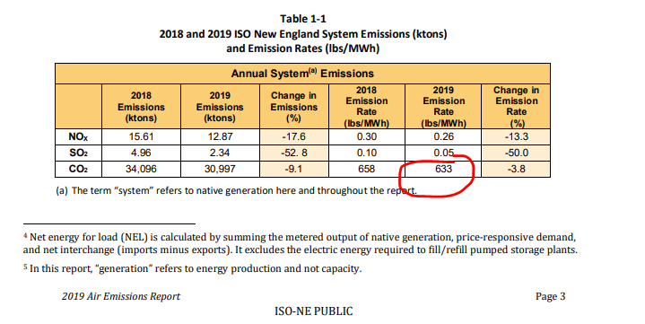
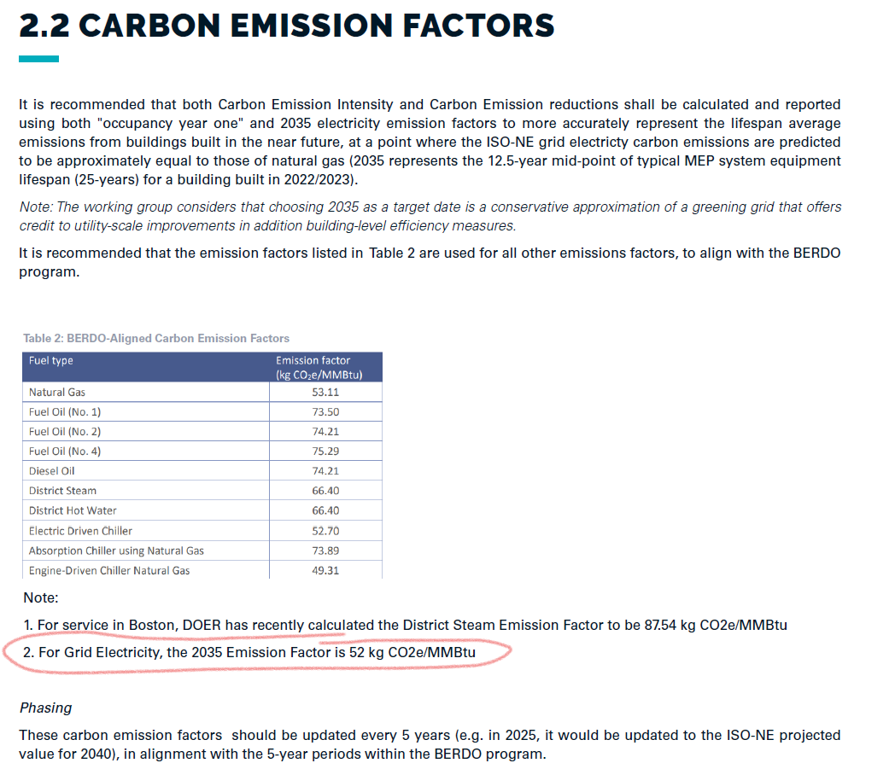
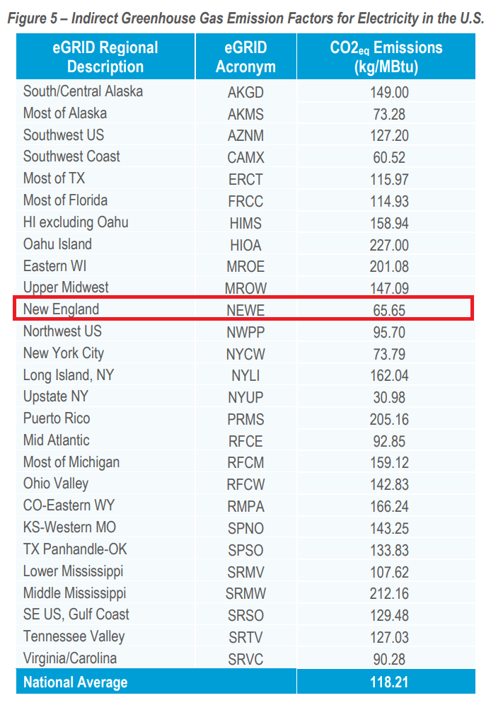
Electricity CO2e Emissions Comparison
Source | Listed Units | Listing | lb/MMBtu
Portfolio Manager (August 2021) | kg/Mbtu* | 70.13 | 145
ISO-NE 2019 | lbs/MWh | 633 | 186
ISO-NE 2035 (projected per city of Boston proposed Zero Carbon Zoning) | kg/MMBtu | 52 | 115

